TECH SHEET
DATE | 2026-03-09 | DATE | 2026-03-09
SEASON | AW2627 - BULK INSTRUCTIONS | SEASON | AW2627 - BULK INSTRUCTIONS
CUSTOMER/LABEL | THE JACK LEATHERS | CUSTOMER/LABEL | THE JACK LEATHERS
SUPPLIER | PAKKAR | SUPPLIER | PAKKAR
STYLE NAME | FRANCIS KNIT with detachable padded lining | STYLE NAME | FRANCIS KNIT with detachable padded lining
AVOID DEFECTS, STAINS AND OPEN DEFECTS
DESCRIPTION | SUEDE JACKET WITH BACK / SLEEVES / INSIDE COLLAR / BOTTOM IN KNITTED MATERIAL | DESCRIPTION | SUEDE JACKET WITH BACK / SLEEVES / INSIDE COLLAR / BOTTOM IN KNITTED MATERIAL
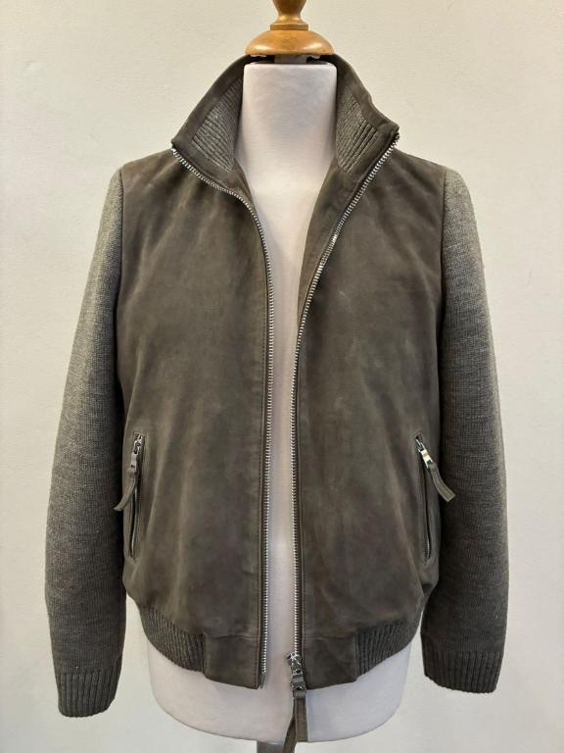 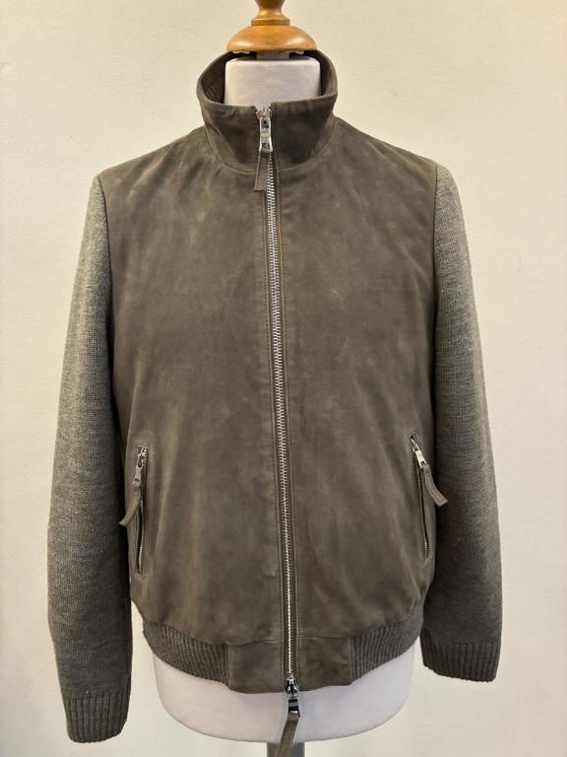 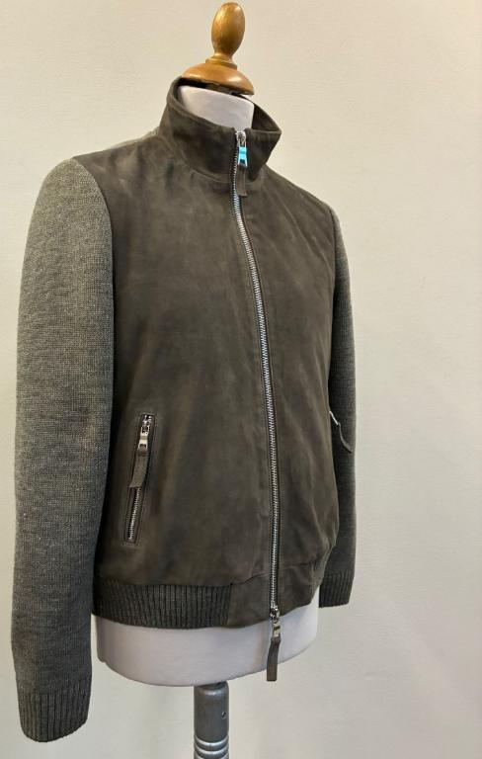 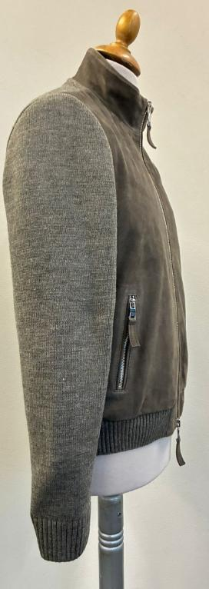 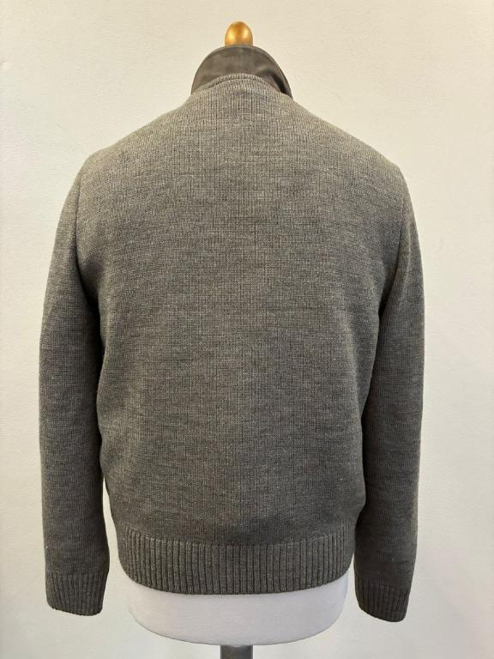 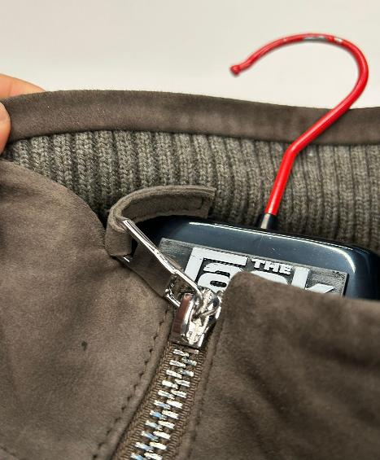 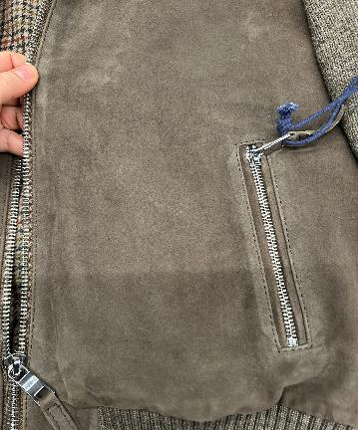 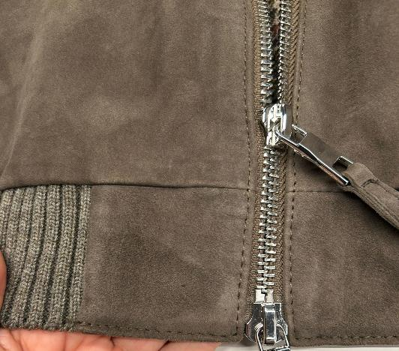 PICTURE |  | 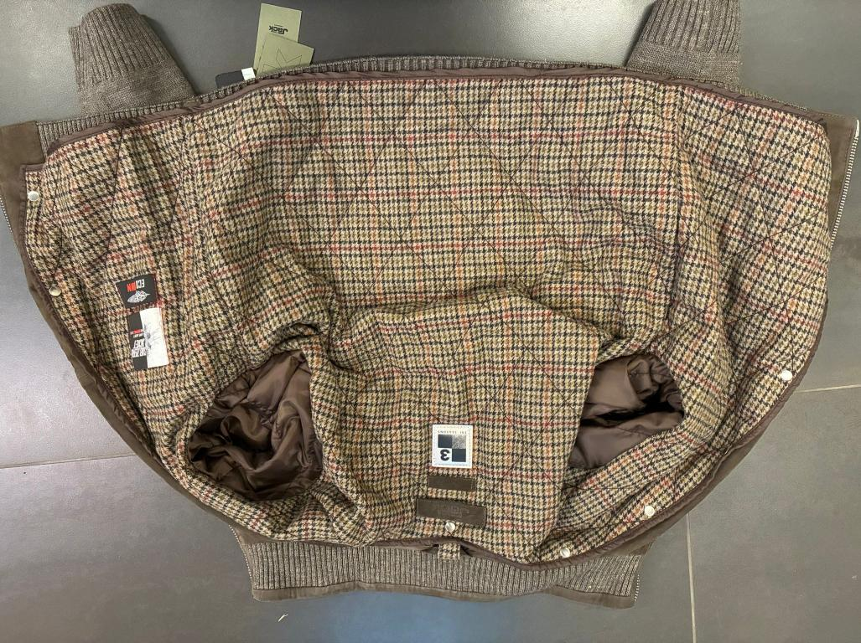 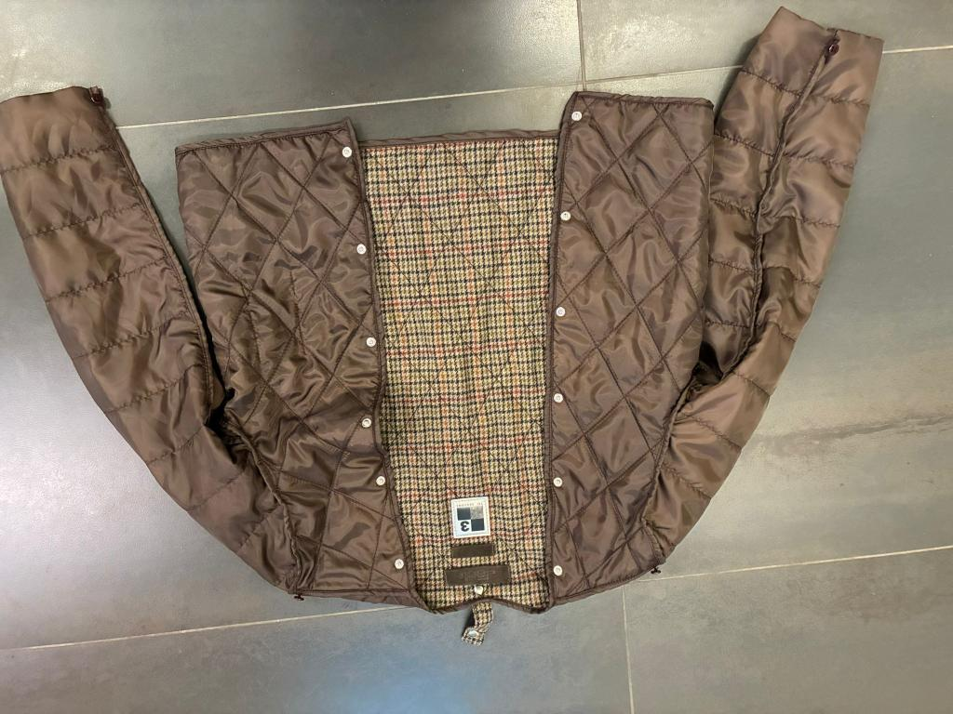 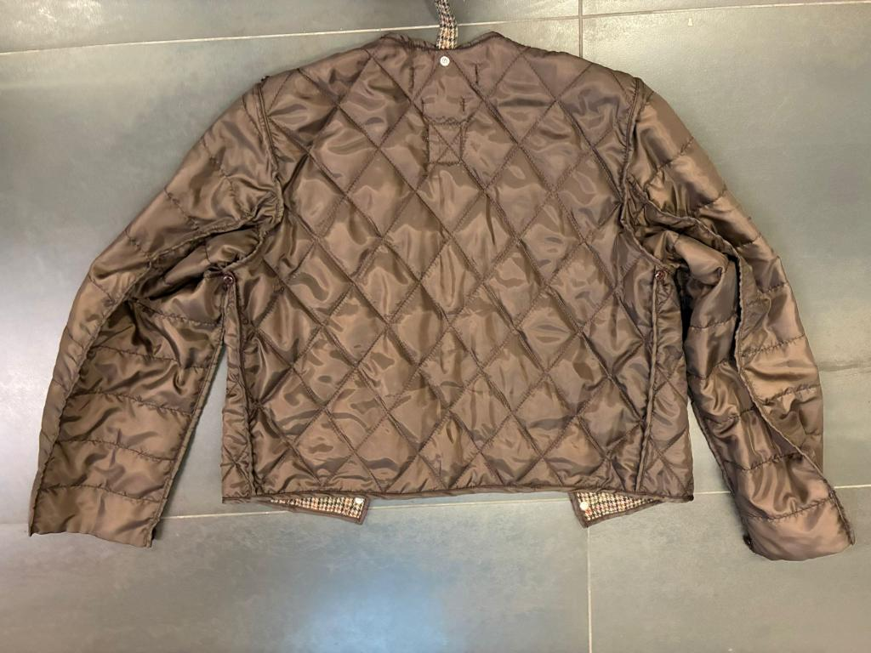
WHEN HAMMERED, THE SUEDE MUST NOT TURN WHITISH
OK FOR THE LOOP ON THE CENTER‑BACK COLLAR >> BUT MAKE IT IN LINING FABRIC AND NOT IN ART. SCOTLAND
BECAUSE THE SMS LOOP MADE IN ART. SCOTLAND IS TOO THICK AND AFFECTS THE OUTER JACKET BACK FIT WITH A VISIBLE BUMP
THAT'S WHY WE REQUEST THE SAME WORKMANSHIP BUT USING LINING POLY SATIN FABRIC, SEE PICTURE BELOW
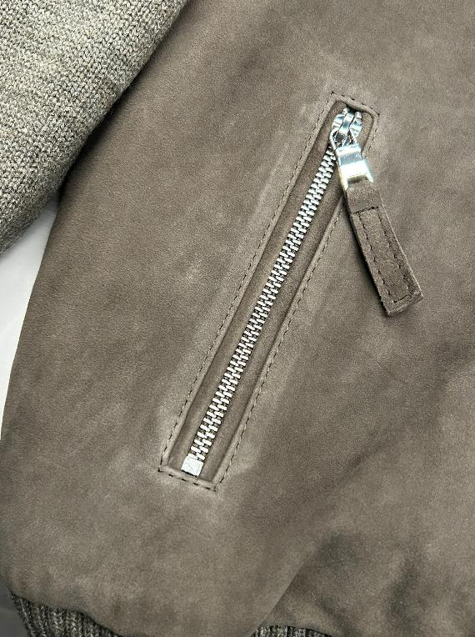 MATERIALS | WINTER GOAT SUEDE, TAKE CARE TO SUEDE QUALTY, HIGH QUALITY WRITING BUT NOT TOO BUSHY, NO OPEN DEFECT, NO WHITE SPOT, NO BACK BONES, NO FOLD MARKS >>AVOID BUSHY PARTS, AVOID WHITISH SUEDE, AVOID VEINS, AVOID STAINS >NOT WASHED SUEDE >SUEDE SHOULD BE BRILLANT, WRITING EFFECT AND SOFT, NOT BUSHY IT MUST HAVE SHORT NAP, NOT OILY, SUEDE MUST BE FULL OF COLOR >>FADED AND BUSHY SKINS ARE NOT ACCEPTABLE >NO MISMATCHING PANELS, NO OPEN DEFECTS, NO VEINS MARKS >NO BUSHY SUEDE, NO OIL STAINS, NO LEATHER MARKS >THE HAIR SUEDE WAY SHOULD BE IN SAME DIRECTION IN ALL PCS OF THE GARMENT WHEN HAMMERED, THE SUEDE MUST NOT TURN WHITISH >>WINTER SUEDE SUBSTANCE 0,7-0,8 mm, OK AS PER SMS ______________ >front panels in SUEDE + >>sleeves // back // inside collar rib//front single rib in KNITTING |  | • PLEASE USE WOOLISH FABRIC, ART. SCOTLAND‑LG COL. 1701 GREEN PIED DE POULE PROVIDED BY US • ART. SCOTLAND‑LG COL. 1701 GREEN PIED DE POULE IS FIXED FOR ALL BULK COLORS • USE OUR TEXTILE FOR THE BODY ONLY, IN THE VISIBLE AREA WHEN ATTACHED • THE EDGE PIPING OF THE DETACHABLE LINING MUST BE IN LIGHT COTTON FABRIC, CLOSELY MATCHING THE LINING COLOR • DETACHABLE LINING → ALL LINING PARTS MUST USE LIGHT POLY SATIN/TAFFETÀ CLOSELY MATCHING THE WOOLISH FABRIC. LINING FABRIC TO BE PROVIDED BY YOU
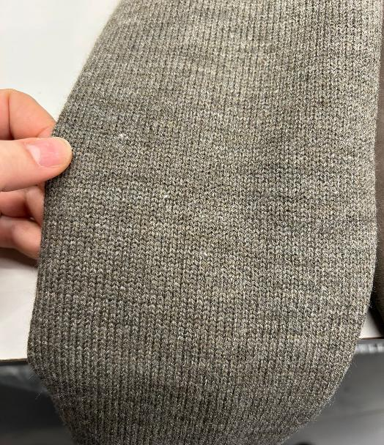
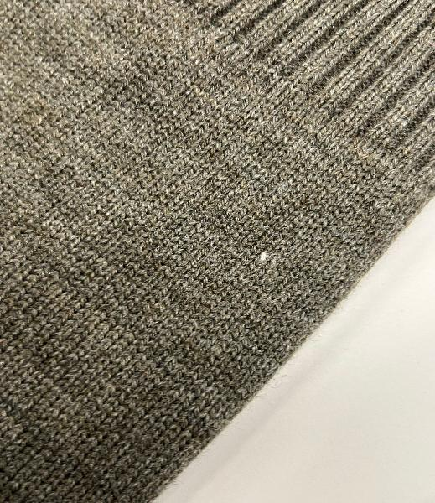
PLEASE MAKE SURE THAT THE KNITTING WILL NOT HAVE ANY INCLUSIONS
 |  |  | FOR BACK PART BODY AND SLEEVES & SLEEVES LINING (PARTS NOT VISIBLE) PLEASE USE POLYESTER FABRIC, PROVIDED BY YOU, MATCHING art WOOLISH TEXTILE COLOR | 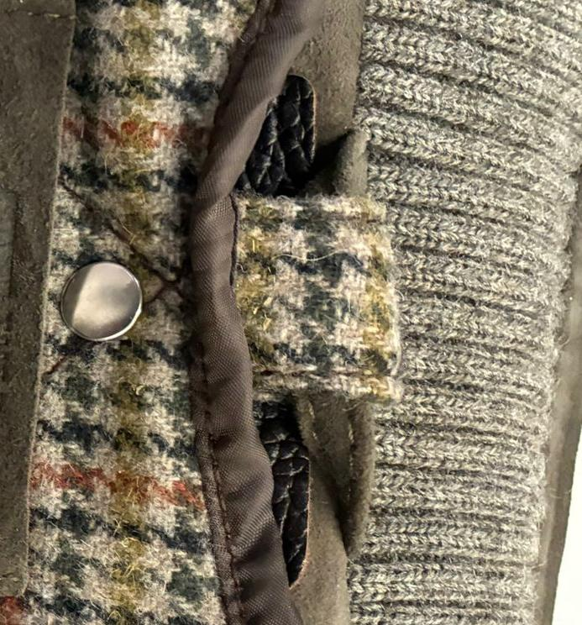
THE INSIDE ELASTIC ON THE 2X2 BORDER NEEDS TO BE IN A MORE MATCHING COLOR TO THE KNIT
• OK FOR THE LOOP ON THE CENTER‑BACK COLLAR, BUT MAKE IT IN LINING FABRIC AS SHOWN IN BELOW PICTURE AND NOT IN ART. SCOTLAND (THIS WILL KEEP THE LOOP THIN AND WILL NOT AFFECT THE BACK‑COLLAR FITTING)
• REFER TO THE THIS PICTURE FOR THE CORRECT LOOP WIDTH
KNITTING | KNITTING -> QUALITY OK, AS PER THE SMS REGARDING GAUGE/KNITTING TYPE, PLEASE MAKE SURE THAT THE KNITTING WILL NOT HAVE ANY INCLUSIONS, see side sms problem of inclusin in kntting -> same acrylic quality, gauge, washing, finishing OK AS PER SMS >FOR BACK FLAT KNITTING, OK AS PER SMS >FOR SLEEVES MAKE FLAT KNITTING, OK AS PER SMS >FOR THE RIBBED PARTS CONFIRMED THE 2X2, OK AS PER SMS >FRONT SINGLE RIB 2X2, OK AS PER SMS >INSIDE COLLAR SINGLE RIB 2X2, OK AS PER SMS THE INSIDE ELASTIC ON THE 2X2 BORDER NEEDS TO BE IN A MORE MATCHING COLOR TO THE KNIT, see side picture KINDLY ASK THE KNIT FOR THIS STYLE TO KAYGEE SUPPLIER | 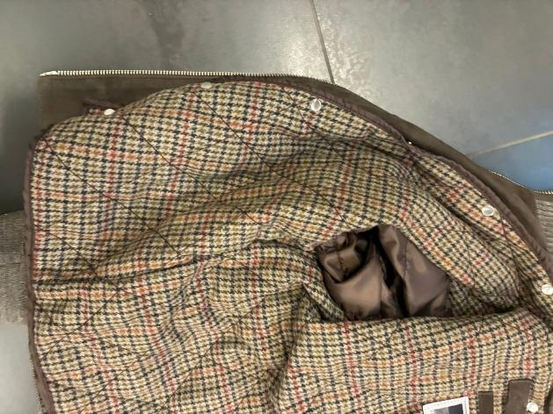 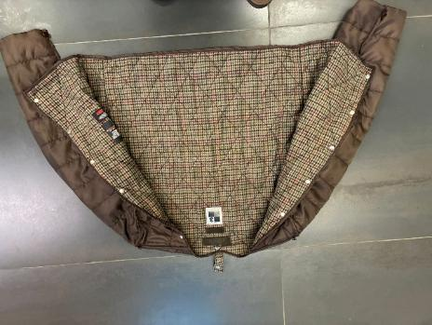 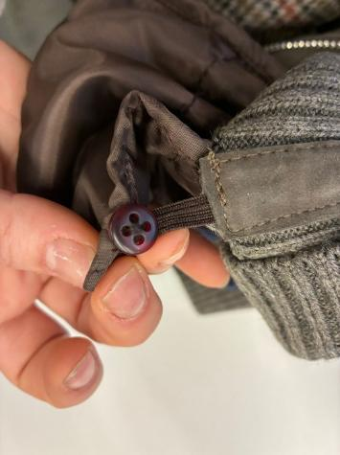 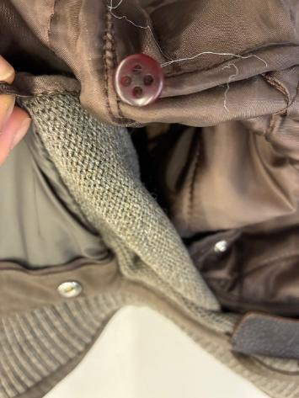 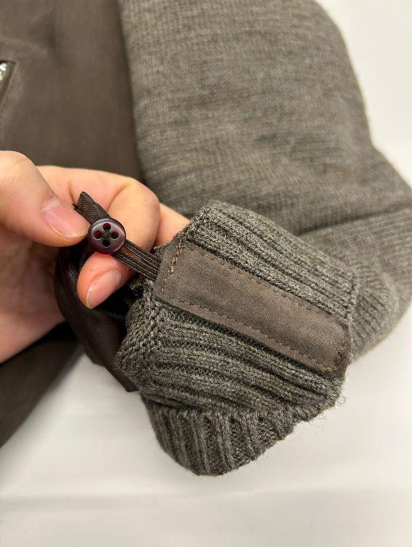 BUTTONS | >PLEASE USE VISIBLE SMALL PRESS-BUTTON IN NICKEL ON DETACHABLE PADDED LINING, THE PRESS BUTTONS USED IN SMS ARE TOO HARD TO OPEN/CLOSE, IMPROVE IN BULK WE WOULD LIKE "MALE" PART ON THE DETACHABLE LINING AND THE FEMALE PART ON THE JKT, OK AS PER SMS • WORKMANSHIP OK FOR THE LOOP ON THE CENTER‑BACK COLLAR, BUT MAKE IT IN LINING FABRIC AS SHOWN IN THE PICTURE AND NOT IN ART. SCOTLAND --> THIS WILL KEEP THE LOOP THIN AND WILL NOT AFFECT THE BACK‑COLLAR FITTING. • REFER TO THE SIDE PICTURE FOR THE CORRECT LOOP WIDTH ------------------ >SMALL PLASTIC BUTTONS (10mm), 2 HOLES, ON DETACHABLE PADDED LINING, MATCHING WOOLISH TEXTILE COLOR, TAKE CARE OF CORRET COLOR TO ORDER -> PLASTIC BUTTONS PLACEMENT: 1pc ON EACH CUFF (INSIDE PART OF CUFF WHERE THERE IS THE STITCHING ALLOWANCE ) + 2pcs ON ARMHOLE (top armhole and armpit) >ELASTIC SMALL TAPE EYEHOLES ON JACKET, MATCHING LINING COLOR 1pc ON EACH CUFF (INSIDE PART OF CUFF WHERE THERE IS THE STITCHING ALLOWANCE ) + 2pcs ON ARMHOLE (top armhole and armpit)
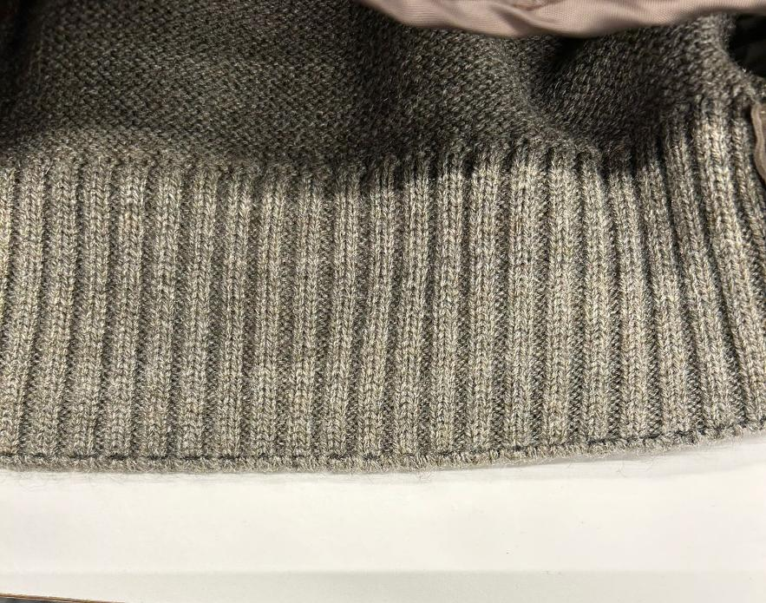 COLORS | > code #129: suede RICE--> PLEASE FOLLOW THE NEW LEATHER SWATCH SENT YOU FOR REFERENCE COLOR TO COPY IN COLOR/TONE/SHADE + knitting BEIGE MELANGE ______________________ > code #572: suede PINE GREEN--> OK AS PER SMS style FRANCIS KNIT seal n°403, sent you back to be copy in color/shade/tone + STONE MELANGE ______________________ > code #06 suede DARK BROWN--> OK AS PER SMS style ADELE KNIT seal n°409, sent you back to be copy in color/shade/tone + CHOCO BROWN MELANGE (EX MARRONE MELANGE) ______________________ code #309 suede DARK BROWN--> OK AS PER SMS style ADELE KNIT seal n°409, sent you back to be copy in color/shade/tone + DARK BLUE |  |  | 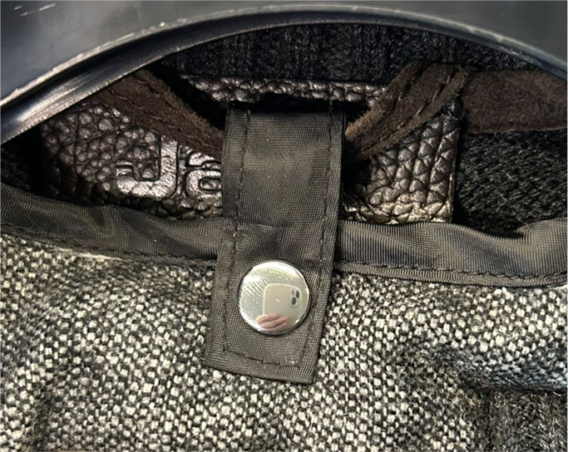 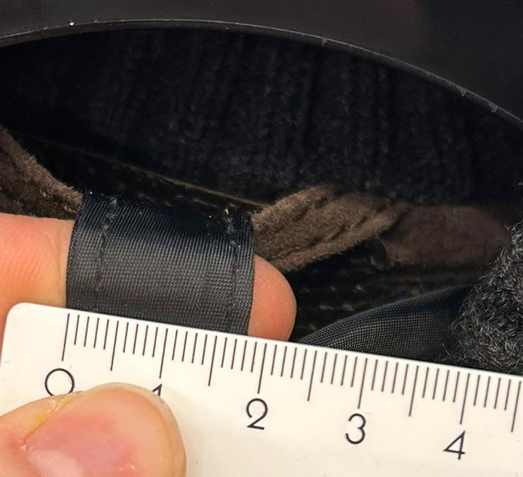
 |  | PADDING | DETACHABLE LINING FILLED WITH POLYESTER PADDING QUILTED, GRAMMAGE OK AS PER SMS DETACHABLE PADDED LINING TO BE MADE WITH: >SOFT- HIGH-QUALITY POLYESTER INDIAN PADDING, provided by you >USE 40–60 GRAM PADDING TO ENSURE VISIBLE BUMP EFFECT ON BODY QUILTING, OK AS PER SMS >BODY IN WOOLISH TEXTILE WITH DIAMOND QUILTING (10.5 CM HEIGHT × 8.5 CM WIDTH), OK AS PER SMS >USE VERY THICK THREAD FOR QUILTING, MATCHING BASE MATERIAL COLOR >SLEEVES TO HAVE ONLY LARGE VERTICAL QUILTING
PATTERN | KINDLY USE THE PATTERN AS PER BULK AW2526 #FRANCIS KNIT WITH DETACHABLE LINING SMS FITTING IS OK & CONFIRMED THE BOTTOM BODY RIB FITTING IS CORRECT AS PER SMS THAT SHOULD BE 44/44.5 CM FOR SIZE 50 IN ORDER TO KEEP THE BOTTOM CLOSE, AND PLEASE MAINTAIN THE SAME PROPORTION FOR ALL OTHER SIZES. PLEASE TAKE CARE OF THIS POINT IN BULK WE ARE SENDING THE UPDATED MEASUREMENT CHART WITH THE CORRECT HALF BOTTOM WIDTH INFORMATION YOU CAN PROCEED WITH BULK
LINING & TRIMS
TAKE CARE TO AVOID WRINKLES ON LINING STITCHING. KINDLY SET THE THREAD TENSION CAREFULLY
>TAKE CARE WITH THE PRINT. AS PER SMS, THE LOGO AND SIZE LABEL ARE NOT WELL READABLE, IMPROVE IN BULK
>ALSO ENSURE THAT THE PRINT IS POSITIONED IN THE CENTER OF THE SUEDE RECTANGLES, IMPROVE IN BULK
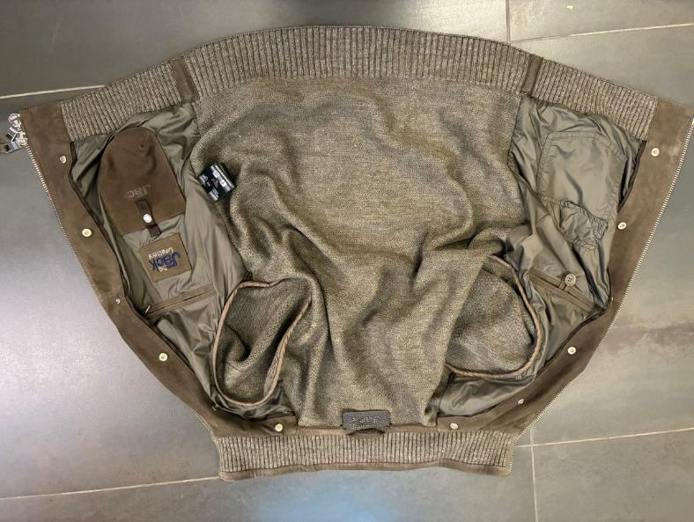 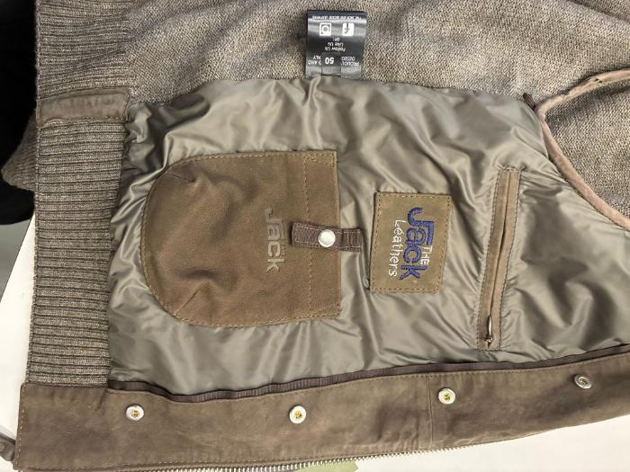 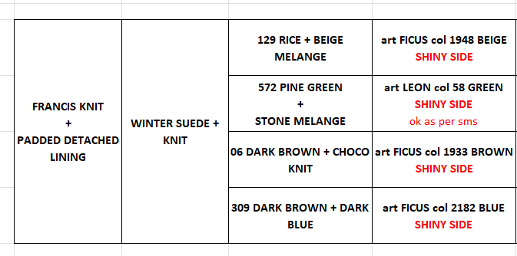 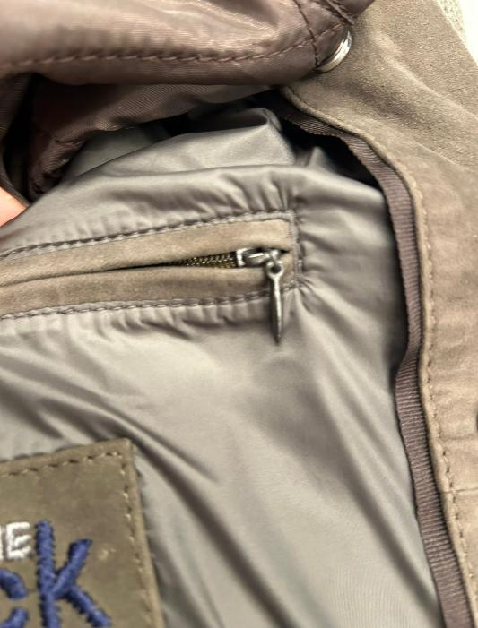 BODY & SLEEVES LINING | >SUEDE BODY FRONT PANELS ARE LINED + LEATHER FACING, OK AS PER SMS FOR FRONT SUEDE PANELS LINING, KINDLY USE NYLON FROM SHINY SIDE, TEXTILE PROVIDED BY US TAKE CARE TO AVOID WRINKLES ON LNING STITCHING. KINDLY SET THE THREAD TENSION CAREFULLY for code 129 RICE--> use linng art FICUS col 1948 BEIGE for code 572 PINE GREEN--> use linng art LEON col 58 GREEN, ok as per sms for code 06 DARK BROWN--> use linng art FICUS col 1933 BROWN for code 309 --> use linng art FICUS col 2182 BLUE LINING CONSTRUCTION, OK AS PER SMS >LINING 2 CHEST POCKETS WITH DOUBLE LEATHER WELTS LEFT ONE WITH LEATHER LOOP + BUTTON, button provided by you for the proto, kindly find COROZO BUTTON col GREIGE, SIZE 28 RIGHT ONE WITH NYLON ZIPPER, MATCHING LINING COLOR WITH GUN METAL DROP SHAPED PULLER >LINING 2 BOTTOM PATCH POCKETS >LEATHER PHONE POCKET WITH EMBOSSED LOGO AND CLOSED BY GROS TAPE + 1 PRESS-BUTTON SPRING TYPE, with THE EMBOSSED LOGO THE JACK >PHONE POCKET MEASUREMENTS 11cm WIDE AND 14cm HIGH >GROS GRAIN-TAPE ON PHONE POCKET SHOULD BE 1,5cm WIDE >TEXTILE BIG POCKET WITH FLAP CLOSED BY 1 HIDDEN PRESS BUTTON,SPRING TYPE >>TAKE CARE ABOUT THIS PRESS BUTTON: IT MUST NOT BE HARD TO OPEN/CLOSE, AND PLEASE REINFORCE THE BACK OF THE PRESS BUTTON TO PREVENT THE TEXTILE/LEATHER FROM TEARING >LEATHER HANGER LOOP, 6,5cm WIDE >>BACK PANEL IN KNIT OBVIOUSLY IS NOT LINED FOR OUTER POCKET BAGS PLEASE USE THIN COTTON CLOTH MATCHING LEATHER, THE QUALITY MUST BE IMPROVED BECAUSE AS PER SMS IS TOO ROUGH | 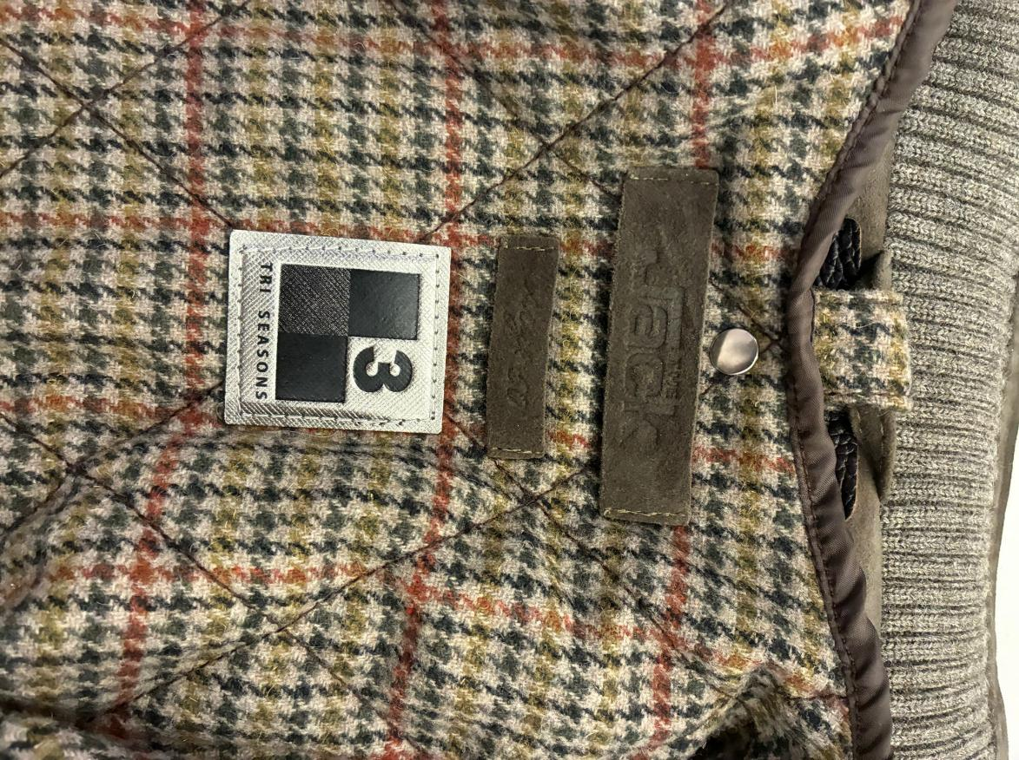 LABELLING | LABELLING WITH DEBOSSED PRINT *PLEASE MAKE FOR MAIN LABEL LEATHER STRIP (DOUBLE LAYERS) 8cm x 2cm WITH EMBOSSED PRINT "The Jack SIDES VERTICAL STITCHING ONLY, THE PRINT MUST BE WELL READABLE, TAKE CARE OF PRINT TECHNIQUE *PLACEMENT UNDER COLLAR *PLEASE MAKE A SIZE LABEL, LEATHER STRIP (DOUBLE LAYERS) 5,2 cm x 1,3cm WITH EMBOSSED PRINT size 50, 52,..... SIDES VERTICAL STITCHING ONLY *PLACEMENT INSIDE, UNDER MAIN LABEL >TAKE CARE WITH THE PRINT. AS PER SMS, THE LOGO AND SIZE LABEL ARE NOT WELL READABLE, IMPROVE IN BULK >ALSO ENSURE THAT THE PRINT IS POSITIONED IN THE CENTER OF THE SUEDE RECTANGLES, IMPROVE IN BULK __________________ "3SEASONS" LABEL ON DETACHABLE LINING UNDER THE EMBOSSED LABELS, LABEL PROVIDED BY US 3SEASON LABEL ONLY ON DETACHABLE PADDED LINING, NO ON SUEDE JKT 3SEASON LABEL STITCHED ALL AROUND WITH MATCHING LABEL COLOR THREAD THE STITCHING OF THESE TWO LABELS IS TOO ROUGH: THERE ARE FLYING THREADS AND IMPRECISE STITCHING. PLEASE IMPROVE THE QUALITY. | 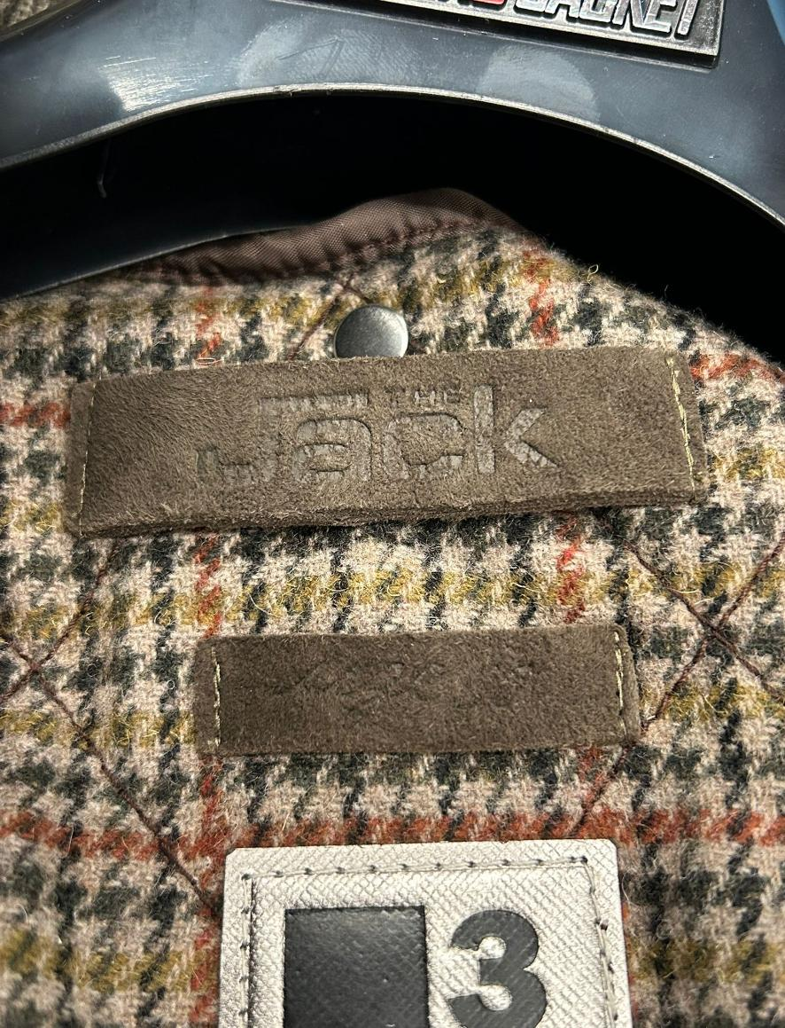
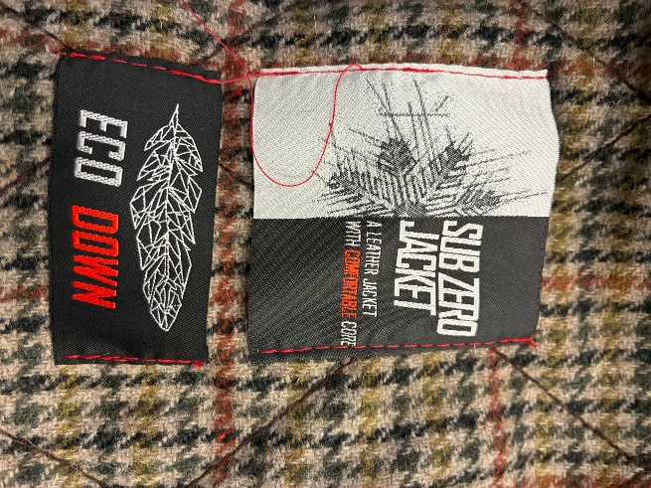
NO ECO DOWN LABEL FOR THIS STYLE, CANCELL IT IN BULK
 |  | 3SEASON LABEL
>>USE THE TEXTILE IN A BIAS/CROSS DIRECTION TO PROVIDE MORE FLEXIBILITY. THIS BINDING MUST BE SOFT TO AVOID AFFECTING THE ARMHOLE FITTING. IN BULK PRODUCTION, ENSURE THE FINAL OUTSIDE APPEARANCE IS FLAT, WITHOUT ANY “CROWN EFFECT
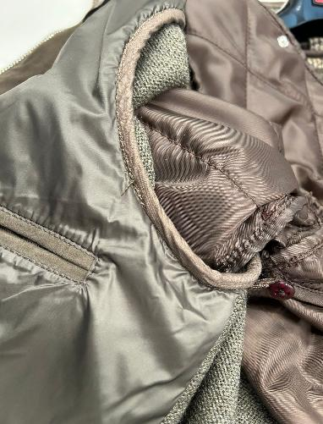 SLEEVES LINING | NO SLEEVES LINING, SLEEVES ARE IN KNIT AND ARE UNLINED THE INSIDE ARMHOLE SHOULD HAVE NICE FINISHING, WITH LIGHT COTTON CLOTH, MATCHING LEATHER COLOR TO HIDE THE KNIT ALLOWANCES, OK AS PER SMS >>USE THE TEXTILE IN A BIAS/CROSS DIRECTION TO PROVIDE MORE FLEXIBILITY. THIS BINDING MUST BE SOFT TO AVOID AFFECTING THE ARMHOLE FITTING. IN BULK PRODUCTION, ENSURE THE FINAL OUTSIDE APPEARANCE IS FLAT, WITHOUT ANY “CROWN EFFECT | SUB ZERO+ECO DOWN LABELS | PLEASE STITCH "SUB ZERO" WOVEN LABEL ON SIDE LEFT DETACHABLE SIDE PLEASE NOTE TO STICH THIS LABEL ONLY AT SIDES AND WITH RED THREAD, RED THREAD MATCHING RED LETTERING OF LABELS SUB ZEROLABELS PROVIDED BY US SUB ZERO LABEL TO BE STITCHED ON DETACHABLE PADDED LINING, NO ON SUEDE JKT THE STITCHING OF THIS ABEL IS TOO ROUGH: THERE ARE FLYING THREADS AND IMPRECISE STITCHING. PLEASE IMPROVE THE WORKMANSHIP NO ECO DOWN LABEL FOR THIS STYLE, CANCELL IT IN BULK
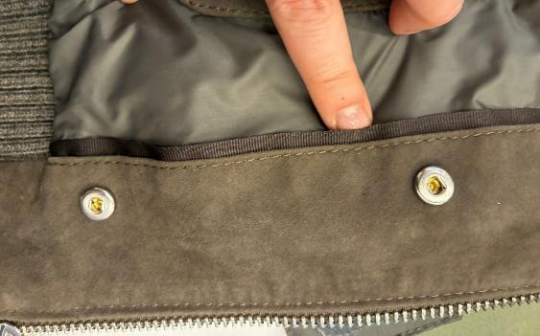 GROS GRAIN TAPE BETWEEN FACING & LINING+ PHONE PKT CLOSURE | KINDLY USE GROS GRAIN TAPE MATCHING SUEDE COLOR, 1,5cm WIDE, GROS GRAIN TAPE PROVIDED BYOU SELECT GOOD QUALITY OF GROS GRAIN TAPE NO THIN QUALITY, NO SHINY TAPE, QUALITY OK AS PER SMS
>>LEAVE ENOUGH ROOM SO THAT THE SLIDERS CAN RUN ALSO ON THE NECKLINE–COLLAR JOINT
>>PLEASE TAKE CARE, AND AVOID NOT SIMMETRY STITCHING
>>TAKE CARE TO STITCH THE ZIPPER EXACTLY IN THE CENTER, MAINTAINING THE SAME DISTANCE FROM BOTH EDGES, AVOID ANY IMPRECISION, AS SHOWN IN THE SMS SIDE PICTURES
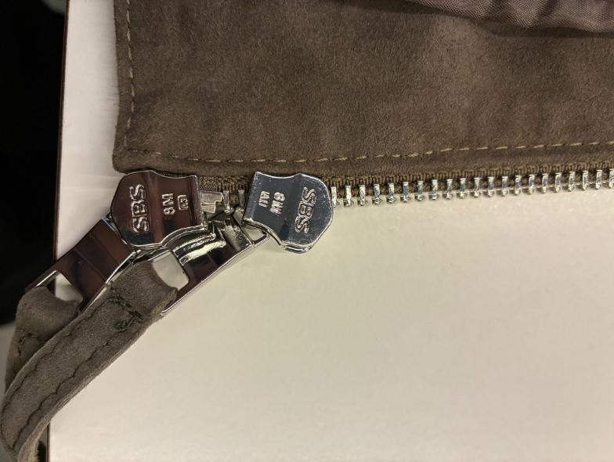 ZIPPERS | PLEASE USE SBS ZIPPER N°8, HIGH SHINY NICKEL FINISHING, OK AS PER SMS >THE ZIPPER FINISHING SHOULD BE HIGH SHINY IN TEETH, SLIDERS and PULLERS TAKE CARE THAT ZIPPERS LOCK AND CLOSE EASILY WITHOUT PROBLEMS, CHECK THE BULK ZIPPERS MAN METAL PULLER SHAPE, OK AS PER SMS >ZIPPER N° 8- DOUBLE SLIDERS FOR MAIN CLOSURE >>LEAVE ENOUGH ROOM SO THAT THE SLIDERS CAN RUN ALSO ON THE NECKLINE–COLLAR JOINT. PLEASE TAKE CARE, AND AVOID NOT SIMMETRY STITCHING >>TAKE CARE TO STITCH THE ZIPPER EXACTLY IN THE CENTER, MAINTAINING THE SAME DISTANCE FROM BOTH EDGES, AVOID ANY IMPRECISION, AS SHOWN IN THE SMS SIDE PICTURES >ZIPPER N° 5 - POCKET SINGLE SLIDER >DOUBLE LEATHER WELTS FOR POCKET THAT LEAVE VISIBLE ZIPPER TEETH WORKMANSHIP, OK AS PER SMS THE LEATHER WELTS SHOULD BE FLAT AND WELL MADE >ALL PULLERS SHOULD HAVE LEATHER-PULLERS, 4cm LONG, DOUBLE LAYERS OF SUEDE CLEAN CUT AND NICELY STITCHED ALL AROUND with thick thread, OK AS PER SMS | 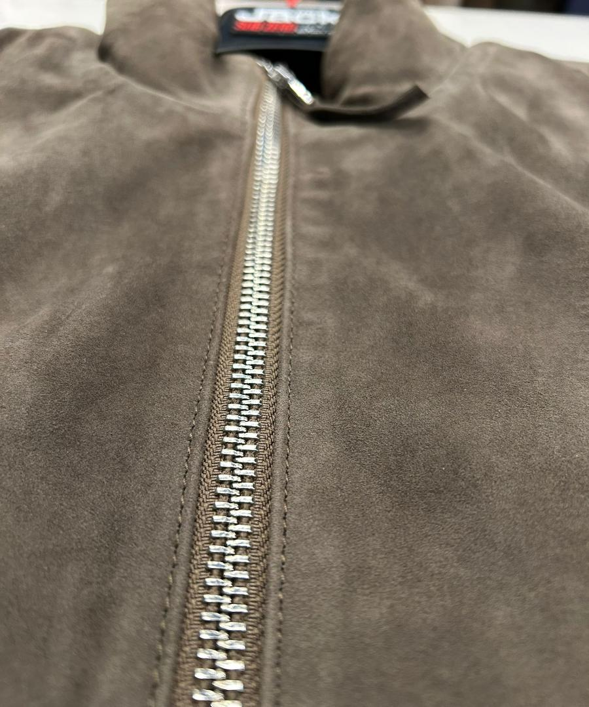
 |  | 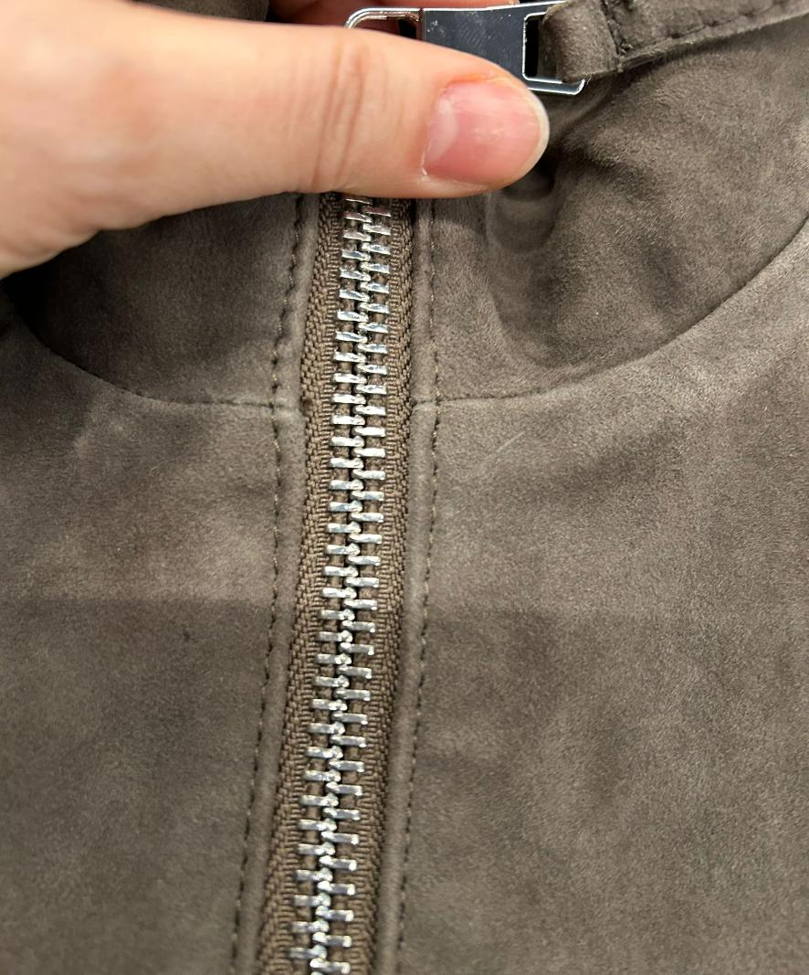
KINDLY MAINTAIN THE BOTTOM RIB-HEIGHT STANDARD ALONG THE ENTIRE CIRCUMFERENCE, KEEPING THE SAME HEIGHT AS THE FRONT-TAB, TAKE CARE.
MOREOVER THE HEIGHT OF RIB SHOULD MATCH AT SIDE JOINT
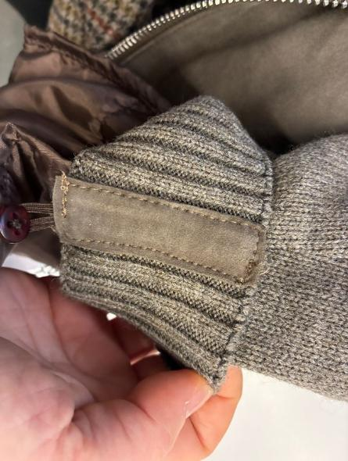 RIB | THE FRONT BOTTOM RIB AND THE INSIDE COLLAR RIB ARE KNITTED MATERIAL AS BACK AND SLEEVES inside collar will be as per aw2526, inside collar in rib and with top suede strip well hammered KINDLY MAINTAIN THE BOTTOM RIB-HEIGHT STANDARD ALONG THE ENTIRE CIRCUMFERENCE, KEEPING THE SAME HEIGHT AS THE FRONT-TAB, TAKE CARE MOREOVER THE HEIGHT OF RIB SHOULD MATCH AT SIDE JOINT TO CLEAN THE INSIDE KNIT RIB JOINTS PLEASE USE SUEDE LEATHER RECTANGLES with CLEAN CUT EDGES, INSIDE CUFFS AND BOTTOM INSIDE SIDE-SEAMS (between the front and back) >CUT AND STITCH THESE LEATHER RECTANGLES MORE PRECISE as POSSIBLE >MAKE THESE LEATHER RECTANGLES SMALLER AS POSSIBLE TAKE CARE TO STITCH SLIGHTLY PULLED THE FRONT RIB TO ACHIEVE THE UPDATED MEASUREMENTS CHEART INSIDE NECKLINE COLLAR RIB HAS A LEATHER STRIP, 1cm HIGH, TO HIDE THE ALLOWANCE OF INSIDE COLLAR RIB
 |  | 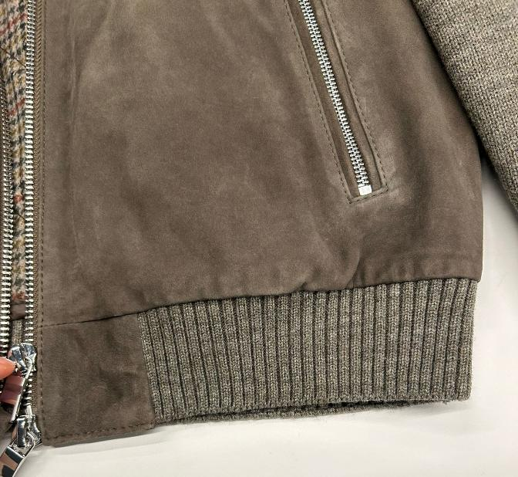
PADDING | NO PADDING FOR SUEDE JACKET
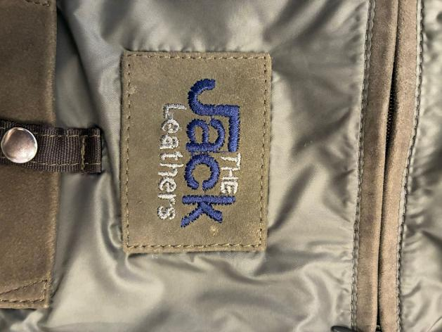 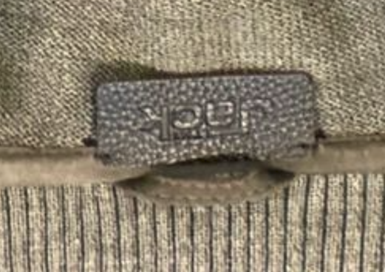 LABELLING | 1_MAIN LABEL, OK AS PER SMS > THE EMBOSSED LABEL "JACK" IN LEATHER TO BE STITH INSIDE COLLAR, PLEASE LIASE WITH MR AEJAZ TO GET THIS LABEL 2 HOLES TYPE col DARK BROWN >HAND STITCH ON INSIDE NECKLINE ON COLLAR PIPING, FIX WELL THIS LABEL, IT MUST NOT DETACH 2_EMBROIDERY LABEL, OK AS PER SMS BUT TAKE CARE TO TO STITCH PRECISELY ALL AROUND > EMBROIDERED LEATHER LABEL TREATED AS PER JACKET: MAKE THE LOGO "THE JACK LEATHERS" EMBROIDERED ON A SUEDE RECTANGLE, WITH FOLDED EDGES AND EDGE STITCHING TO FIX LINING TEXTILE >MAIN LABEL RECTANGLE TO BE STITCHED ALL AROUND, PLACEMENT UNDER CHEST POCKET LINING AND ABOVE THE PHONE POCKET *"THE " and " LEATHERS" LOGO EMBROIDERED WITH COL. DARK GREY, FIXED FOR ALL SUEDE COLORS *"JACK" LOGO EMBROIDERED IN COLOR DARK BLUE, FIXED FOR ALL SUEDE COLORS --------- 3_LEATHER HANGTAG EMBROIDERED WITH "THE JACK LEATHERS", EMBROIDERY COLORS SHOULD BE AS PER MAIN LABEL *EMBROIDERIES WITH SAME COLORS AS MAIN LABEL *BACK PART OF HANGTAG IN LINING FABRIC *FOLDED EDGES + 3mm STITCHING *LEATHER HANG TAG with nickel EYELET THE CARTON HANGTAGS INFORMATION DOCUMENTS WILL BE SENT LATER AND THE CARTON TAGS ATTACHED TO SMS ARE NOT TO BE USED AS A REFERENCE FOR PRODUCTION

THE COLLAR SHOULD HAVE SOME INTERLINING INSIDE IN ORDER TO BE NOT EMPTY
• ALL JOINTS WITHOUT TOPSTITCHING MUST BE WELL HAMMERED
• THE NECKLINE AND THE INSIDE-COLLAR SUEDE STRIP ALONG THE COLLAR EDGE MUST HAVE NO VISIBLE STITCHING AND MUST BE WELL HAMMERED, AVOID WRINKLED EFFECT
• THE TOP COLLAR BORDER EDGE MUST BE FLATTENED AND GLUED TO ENSURE IT DOES NOT OPEN
OK AS PER SMS, BUT KINDLY USE A SLIGHTLY THICKER THREAD AND A SLIGHTLY LONGER STITCH
PRINTED LABELS | PRINTED LABELS, provided by you 1st PLACE *SIZE LABEL 2nd PLACE *FACEBOOK INSTAGRAM 3rd PLACE *DISTRIBUITO DA 4th PLACE *WASH CARE LABEL 5th PLACE *MADE IN INDIA ->THESE PRINTED LABELS PROVIDED BY YOU SHOULD BE WITH BLACK GROUND AND WHITE LETTERING/PRINT STITCHED ON THE WEARER'S LEFTJACKET LINING SIDE
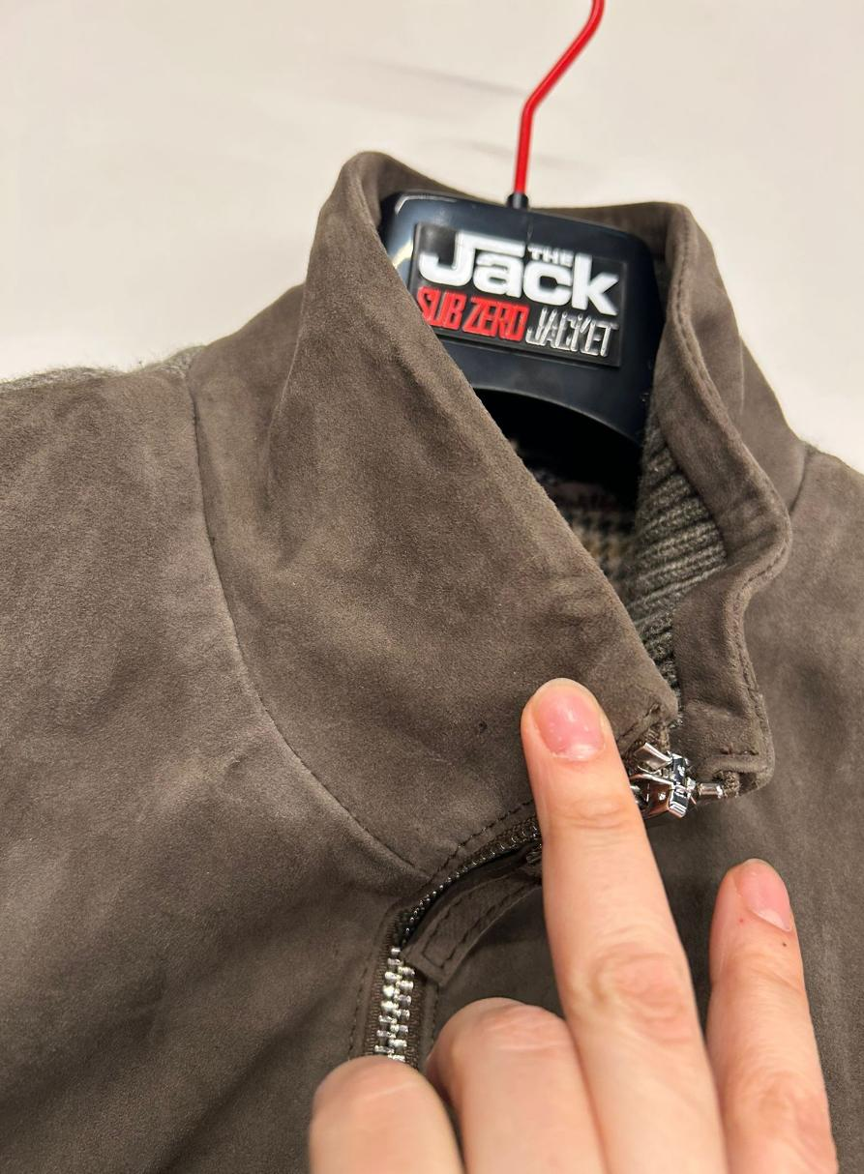 OTHER NOTED | >FOR SHOW STITCHING PLEASE USE GOOD QUALITY THREAD AS POSSIBLE (THREE PLY, TKT 10) , MATCHING BASE COLOR--> OK AS PER SMS, BUT KINDLY USE A SLIGHTLY THICKER THREAD AND A SLIGHTLY LONGER STITCH • ALL JOINTS WITHOUT TOPSTITCHING MUST BE WELL HAMMERED • THE NECKLINE AND THE INSIDE-COLLAR SUEDE STRIP ALONG THE COLLAR EDGE MUST HAVE NO VISIBLE STITCHING AND MUST BE WELL HAMMERED, AVOID WRINKLED EFFECT, see side pic • THE TOP COLLAR BORDER EDGE MUST BE FLATTENED AND GLUED TO ENSURE IT DOES NOT OPEN THE COLLAR SHOULD HAVE SOME INTERLINING INSIDE IN ORDER TO BE NOT EMPTY | 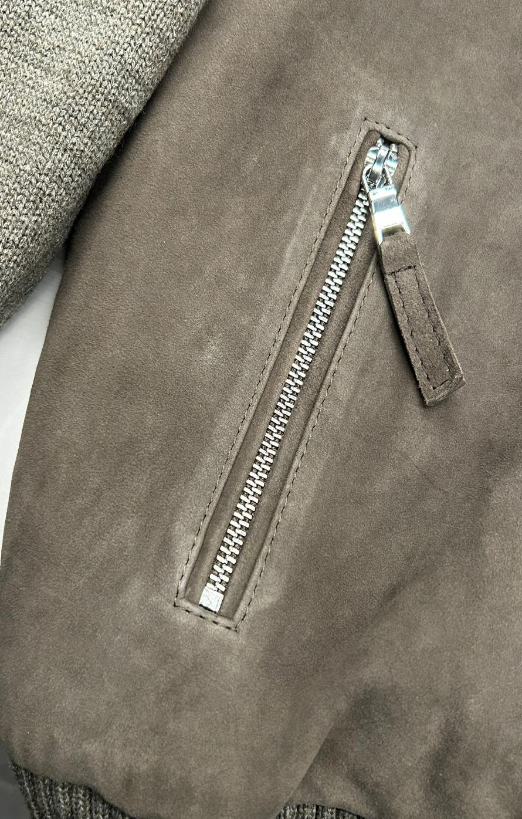
OTHER COMMENTS | >>>IMPORTANT<<< THE KNITTED SLEEVE STITCHING SHOULD BE ELASTIC AND SHOULD SUPPORT THE STRETCHING/PULLING and SHOULD NOT GET BROKEN
TAKE CARE OF DELIVERY PACKING AVOID IMPRESSION OF CARTON TAGS, ZIPPER, PKTS, SLEEVES ON THE JKT

